FlexPCN
 | HMA |  |  | Base |  |  | Subbase | Subgrade CBR 4.0
Existing Pavement | 4.00 | 0 | 0 | 6.00 | 0 | 0 | 6.00 | 4.00
Equivalent Pavement | 3.00 |  |  | 6.00 |  |  | 8.24 | 3.00
Reference Guidance AC 150/5335-5C App B |  |  | Existing Flexible Pavement Layers | ENTER Existing Layer Thickness
 | Fig. A2-2 | Figs.A2-1&2
Flexible Pavement | Convert to | Convert to |  |  |  |  | Airport Loc_ID | LOC ID |  | Airport Loc_ID |  |  | Airport Loc_ID
Structure Items | P-209 | P-154 |  |  |  |  | Pavement ID | GA RW |  | Pavement ID |  |  | Pavement ID
P-401/3 P 403 | 1.6 | n/a | P-401/3 | 4.0 | in. |  | P-401/3 P 403 | 4.0 (P-209 1.6) |  | P-401/3 P 403 |  |  | P-401/3 P 403
P-306 ECONOCRTE | 1.2 | n/a | P-306 | 0.0 | in. |  | P-306 ECONOCRTE |  |  | P-306 ECONOCRTE |  |  | P-306 ECONOCRTE
P-304 CEM. TRTD | 1.2 | n/a | P-304 | 0.0 | in. |  | P-304 CEM. TRTD |  |  | P-304 CEM. TRTD |  |  | P-304 CEM. TRTD
P-209 Cr AGG | 1.0 | 1.4 | P-209 | 6.0 | in. |  | P-209 Cr AGG | 6.0 (P-154 1.4) |  | P-209 Cr AGG |  |  | P-209 Cr AGG
P-208 Agg, P-211 | 1.0 | 1.2 | P-208 | 0.0 | in. |  | P-208 Agg, P-211 |  |  | P-208 Agg, P-211 |  |  | P-208 Agg, P-211
P-301 SOIL-CEM. | n/a | 1.2 | P-301 | 0.0 | in. |  | P-301 SOIL-CEM. |  |  | P-301 SOIL-CEM. |  |  | P-301 SOIL-CEM.
P-154 Subbase | n/a | 1.0 | P-154 | 6.0 | in. |  | P-154 Subbase | 6.0 |  | P-154 Subbase |  |  | P-154 Subbase
 |  |  |  | 0.00 | 0 |  | Units | English |  | Units |  |  | Units
Equivalent Thickness, mm |  | Subgrade CBR... |  | 4.0 | 1 |  | COMFAA CBR | 4.0 |  | COMFAA CBR |  |  | COMFAA CBR
P-401/3 | 3.0 |  |  |  |  |  | COMFAA Thickness | 17.2 in. |  | COMFAA Thickness |  |  | COMFAA Thickness
P-209 | 6.0
P-154 | 8.2
Total | 17.2 |  | Airport Loc_ID | Pavement ID
ENTER Ref.Section Requirements |  |  | LOC ID | GA RW |  | COMFAA Inputs
P-401 reference t | 3.00 | in. | Project Details |  |  | Evaluation thickness t = 17.2 in.
P-209 reference t | 6.00 | in. | Examples |  |  | Evaluation CBR = 4.0
 |  |  |  |  |  | Recommended PCN Codes: F/D/X

 |  |  |  |  |  |  |  |  | Chart info
 |  |  |  |  |  |  |  |  |  | P-401 | P-209 | P-154 | Subgrade CBR 4.0
 |  |  |  |  |  |  |  |  |  | HMA | Base | Subbase | Subgrade CBR 4.0
 |  |  |  |  |  |  |  |  | Existing Pavement | 4.0 | 6.0 | 6.0 | 10
 |  |  |  |  |  |  |  |  | Equivalent Pavement | 3.00 | 6.00 | 8.24 | 1
 |  |  |  |  |  |  |  |  | 28.2 | 28.2 | 1

RigidPCN
Ref. AC 150/5335-5C Appendix B Rigid Pavement Structure Items | Existing Rigid Pavement Layers | ENTER Existing Layer Thickness |  |  | Evaluation Layer Thickness | Improved\ k-value
 |  |  |  |  |  |  | Arpt LOC-ID |  | Arpt LOC-ID |  |  |  |  | Arpt LOC-ID
 |  |  |  |  |  |  | Pavement ID |  | Pavement ID |  |  |  |  | Pavement ID
Figure A2-7 | P-401 Overlay(s) | 0.0 | in./2.5 |  | 0.0 | Overlay to P-501, 2.5 to 1 | P-401 Overlay(s) |  | P-401 Overlay(s) |  |  |  |  | P-401 Overlay(s)
Rigid Pavement Thickness | P-501 | 13.0 | in. |  | 13.0 |  | P-501 |  | P-501 |  |  |  |  | P-501
ThirdPoint Flexural Strength | Flexural strength | 650.0 | psi |  |  | Foundation k= Maximum k-Below or Input k | Flexural strength |  | Flexural strength |  |  |  |  | Flexural strength
Figure A2-6, default maximum k-value = 500 lb/in^3. (135.7 MN/m^3) OR input k-value if greater. | P-401 and/or P-403 | 0.0 | in. |  |  |  | P-401 and/or P-403 |  | P-401 and/or P-403 |  |  |  |  | P-401 and/or P-403
 | P-306 | 0.0 | in. |  | 4.0 | 287 | P-306 |  | P-306 |  |  |  |  | P-306
 | P-304 | 4.0 | in. |  |  |  | P-304 |  | P-304 |  |  |  |  | P-304
Combined Top and Bottom Figure A2-5. | P-209 | 12.0 | in. |  | 12.0 | 215 | P-209 |  | P-209 |  |  |  |  | P-209
 | P-208 and/or P-211 | 0.0 | in. |  |  |  | P-208 and/or P-211 |  | P-208 and/or P-211 |  |  |  |  | P-208 and/or P-211
 | P-301 | 0.0 | in. |  | 0.0 | No Uncrushed | P-301 |  | P-301 |  |  |  |  | P-301
 | P-154 | 0.0 | in. |  |  |  | P-154 |  | P-154 |  |  |  |  | P-154
 |  | 0.0 | in. | 0.00 |  |  |  |  | 0.0 |  |  |  |  | 0.0
COMFAA Inputs | Subgrade k-value | 100.0 | lb/in^3 |  | 29.00 | 287.00 | Subgrade k |  | Subgrade k |  |  |  |  | Subgrade k
 |  | P-501 flex strength = 650.0 psi |  |  | P-304 | P-209 |  |  |  | Subgrade k= 100.0
Existing Pavement | 0 | 13.00 | 0 | 0.0 | 4 | 12.0 | 0 | 0.00 | 0 | 29.0
Equivalent Pavement | 0 | 13.00 |  | 4.0 |  | 12.0 |  | 0.00 | 0 | 29.0
k-value = 287.0 lb/in^3 |  |  |  |  |  |  | COMFAA Thickness |  | COMFAA Thickness |  |  |  |  | COMFAA Thickness
Rigid Pavement t = 13.0 in. |  |  |  |  |  |  | COMFAA k-value |  | COMFAA k-value |  |  |  |  | COMFAA k-value
Flexural strength = 650.0 psi |  |  |  |  |  |  | COMFAA Flex Strength |  | COMFAA Flex Strength |  |  |  |  | COMFAA Flex Strength
Recommended PCN Codes: R/B/W |  |  |  |  |  |  | Units |  | Units |  |  |  |  | Units

Enter Project Details
 | English
 | Arpt LOC-ID
 | Enter LOC-ID |  |  |  |  |  |  |  |  | Chart info
 |  |  |  |  |  |  |  |  |  |  |  | Stabilized k=287.0 | Crushed k=215.0
 | Pavement ID |  |  |  |  |  |  |  |  |  |  |  | P-501 flex strength = 650.0 psi |  | P-304 | P-209 |  | Subgrade k= 100.0
 | Enter Pave ID |  |  |  |  |  |  |  |  |  | Existing Pavement |  | 13.0 |  | 4.0 | 12.0 |  | 29.0 | 5
 |  |  |  |  |  |  |  |  |  |  | Equivalent Pavement |  | 13.00 | 4.0 |  | 12.0 | 0.00 | 29.0 | 1
 |  |  |  |  |  |  |  |  |  | 36.45 |  |  | Rigid Pavement t =
 |  |  |  |  |  |  |  |  |  | Depth from Surface, in.
 |  |  |  |  |  |  |  |  |  | in.

 |  |  |  |  |  |  | K > 50 | S =
 |  |  |  |  |  |  | 305.36956869 | 9.0369568692

 |  |  |  |  |  |  | SK for >50 | 287.29565495

 |  |  |  |  |  |  | Final SK to use 500 or less | 287.29565495
 |  |  |  |  |  |  | 77.905 | 287

 |  |  |  |  |  | 495.13208235

FlexChart
GA RW
Num | Plane | GWin | ACNin | ADout | 6Dt | CDFt | GWcdf | PCNcdf | EVALt | SUBcode | KorCBR | PtoTC | FlexOrRig | % of 10k Coverages
2 | Baron-E-55 | 5,424 | 2.1 | 1,200 | 7.1 | 16.2 | 6,140 | 2.3 | 17.2 | D | 4.0 | 1.00 | F | 19.0%
6 | KingAir-B-100 | 11,500 | 3.2 | 100 | 7.0 | 15.7 | 13,496 | 3.9 | 17.2 | D | 4.0 | 1.00 | F | 3.3%
3 | Citation-525 | 10,500 | 4.3 | 50 | 7.0 | 16.8 | 11,075 | 4.6 | 17.2 | D | 4.0 | 1.00 | F | 0.8%
1 | Single Wheel 10 | 10,000 | 7.9 | 1,000 | 14.4 | 16.1 | 11,366 | 9.0 | 17.2 | D | 4.0 | 1.00 | F | 32.8%
4 | Citation-X | 36,000 | 12.0 | 25 | 11.8 | 15.6 | 42,775 | 14.5 | 17.2 | D | 4.0 | 1.00 | F | 0.8%
5 | Falcon-50 | 38,800 | 12.8 | 100 | 14.7 | 15.5 | 46,582 | 15.6 | 17.2 | D | 4.0 | 1.00 | F | 3.0%

GA RW
 | 1. 6D thickness at traffic mix GW | 2. CDF thickness at max. GW | 3. Evaluation thickness from equivalent pavement | 4. Maximum Aircraft GW at PCN from CDF | 5. Aircraft GW from traffic mix
Baron-E-55 | 7.1 | 16.2 | 17.2 | 6,140 | 5,424
KingAir-B-100 | 7.0 | 15.7 | 17.2 | 13,496 | 11,500
Citation-525 | 7.0 | 16.8 | 17.2 | 11,075 | 10,500
Single Wheel 10 | 14.4 | 16.1 | 17.2 | 11,366 | 10,000
Citation-X | 11.8 | 15.6 | 17.2 | 42,775 | 36,000
Falcon-50 | 14.7 | 15.5 | 17.2 | 46,582 | 38,800

 |  | at CBR=
 | 5 | 25 | 35.0
 | 1 | Subgrade code= D at CBR= 4.0, t= 17.2

 | Flexible Pavement Thickness, in.
 | , in.
 | Airplane Gross Weight, (thousands), lbs,
 | lbs,

GA RW
 | 1. Aircraft ACN at traffic mix GW | 2. Calculated PCN at CDF max. GW | 3. Annual Departures from traffic mix
Baron-E-55 | 2.1 | 2.3 | 1,200
KingAir-B-100 | 3.2 | 3.9 | 100
Citation-525 | 4.3 | 4.6 | 50
Single Wheel 10 | 7.9 | 9.0 | 1,000
Citation-X | 12.0 | 14.5 | 25
Falcon-50 | 12.8 | 15.6 | 100

RigidChart
GA RW
Num | Plane | GWin | ACNin | ADout | 6Dt | CDFt | GWcdf | PCNcdf | EVALt | SUBcode | KorCBR | PtoTC | FlexOrRig | % of 10k Coverages
2 | Baron-E-55 | 5,424 | 1.5 | 1,200 | 2.8 | 6.9 | 4,025 | 1.1 | 6.0 | D | 84.5 | 1.00 | R | 19.0%
6 | KingAir-B-100 | 11,500 | 2.8 | 100 | 3.3 | 7.1 | 8,313 | 1.8 | 6.0 | D | 84.5 | 1.00 | R | 3.3%
3 | Citation-525 | 10,500 | 3.8 | 50 | 3.7 | 7.3 | 6,869 | 2.4 | 6.0 | D | 84.5 | 1.00 | R | 0.8%
1 | Single Wheel 10 | 10,000 | 6.3 | 1,000 | 5.1 | 7.6 | 5,926 | 3.7 | 6.0 | D | 84.5 | 1.00 | R | 32.8%
4 | Citation-X | 36,000 | 12.8 | 25 | 6.5 | 7.0 | 26,614 | 9.1 | 6.0 | D | 84.5 | 1.00 | R | 0.8%
5 | Falcon-50 | 38,800 | 13.6 | 100 | 7.1 | 7.1 | 28,249 | 9.5 | 6.0 | D | 84.5 | 1.00 | R | 3.0%

GA RW
 | 1. 6D thickness at traffic mix GW | 2. CDF thickness at max. GW | 3. Evaluation thickness from equivalent pavement | 4. Maximum Aircraft GW at PCN from CDF | 5. Aircraft GW from traffic mix
Baron-E-55 | 2.8 | 6.9 | 6.0 | 4,025 | 5,424
KingAir-B-100 | 3.3 | 7.1 | 6.0 | 8,313 | 11,500
Citation-525 | 3.7 | 7.3 | 6.0 | 6,869 | 10,500
Single Wheel 10 | 5.1 | 7.6 | 6.0 | 5,926 | 10,000
Citation-X | 6.5 | 7.0 | 6.0 | 26,614 | 36,000
Falcon-50 | 7.1 | 7.1 | 6.0 | 28,249 | 38,800

 |  | at k-value=
 | 5 | 10 | 35.0
 | 1 | Subgrade code= D at k-value= 85, t= 6.0

 | Rigid Pavement Thickness, in.
 | , in.
 | Airplane Gross Weight, (thousands), lbs,
 | lbs,

GA RW
 | 1. Aircraft ACN at traffic mix GW | 2. Calculated PCN at CDF max. GW | 3. Annual Departures from traffic mix
Baron-E-55 | 1.5 | 1.1 | 1,200
KingAir-B-100 | 2.8 | 1.8 | 100
Citation-525 | 3.8 | 2.4 | 50
Single Wheel 10 | 6.3 | 3.7 | 1,000
Citation-X | 12.8 | 9.1 | 25
Falcon-50 | 13.6 | 9.5 | 100

Guidance
1--> | ColumnA labels in Flex PCN are changeable Cols-F & Z adopt Col-A contents |  |  |  |  |  | 7--> Insert Layer Factors for FAA and Alt Std. inserted factors used in Flex PCN Check Box
2--> | ColumnD labels in Rigid PCN are changeable, Col-AB adopts Col-D contents
 |  |  |  |  |  |  |  |  | FAA Std | Alt Std
3--> | If you Unhide all Columns in the Flex PCN tab, Ctrl+H Hides the colunns properly |  |  |  |  | Pavement Layer |  |  | 2base | 2base
 |  |  |  | 5--> | These layers are | Surface HMA |  | P-401/3 P 403 | 1.6 | 1.5
 |  |  |  |  | Coverted to equiv | Stabilized Base 1 |  | P-306 ECONOCRTE | 1.2 | 1.1
 |  |  |  |  | Thickness of CA | Stabilized Base 2 |  | P-304 CEM. TRTD | 1.2 | 1.1
4--> | If you Unhide all Columns in the Rigid PCN tab, Ctrl+Shft+H Hides the colunns properly |  |  |  |  | Crushed Agg. (CA) |  | P-209 Cr AGG | 1.0 | 1.0
 |  |  |  |  |  |  |  | P-208 Agg, P-211 | 1.0 | 1.0
 |  |  |  |  |  |  |  |  | base2subbase | base2subbase
 |  |  |  |  |  |  |  | P-209 Cr AGG | 1.4 | 1.3
 |  |  |  | 6--> | These layers are | Uncrushed Agg Base |  | P-208 Agg, P-211 | 1.2 | 1.1
 |  |  |  |  | Coverted to equiv | Stabilized Subbase |  | P-301 SOIL-CEM. | 1.2 | 1.1
 |  |  |  |  | Subbase Thickness | Uncrush Agg Subbase |  | P-154 Subbase | 1.0 | 1.0

 | AC 150/5335-5, FAA Flexible Pavement Layer Equivalency Factors (See Note) |  |  |  |  |  |  | 8---> | Hot Mix to PCC
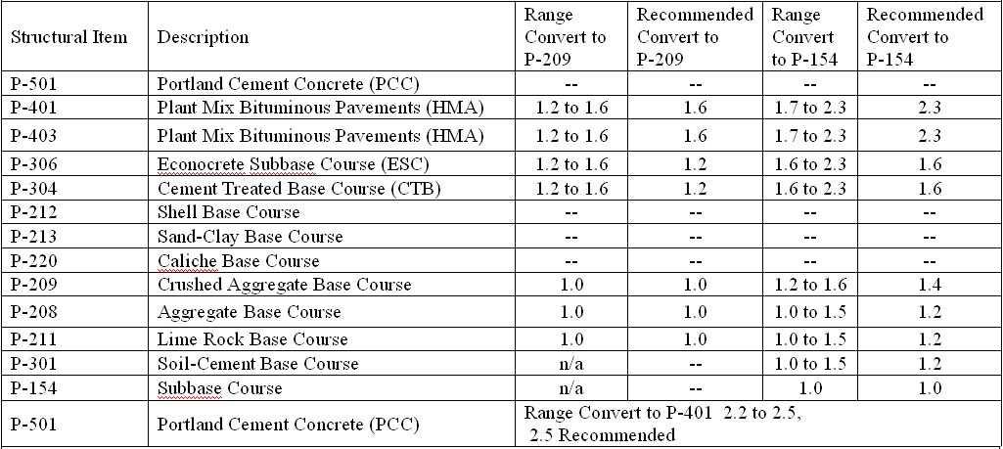

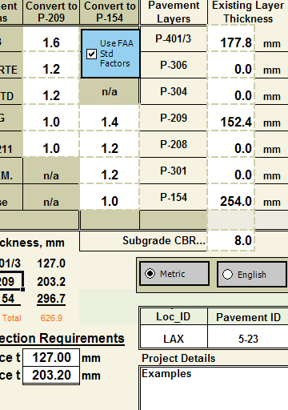
 |  |  |  |  |  |  |  |  | ENTER data in Cells with white backgroun only

 | Note. Engineering judgment may be used to adjust recommended factors for all Structural Items within the ranges shown in the table. Incdlude justification for higher or lower conversion factors when reporting PCN values.

 |  |  |  |  |  |  |  |  | ENTER data in Cells with white backgroun only
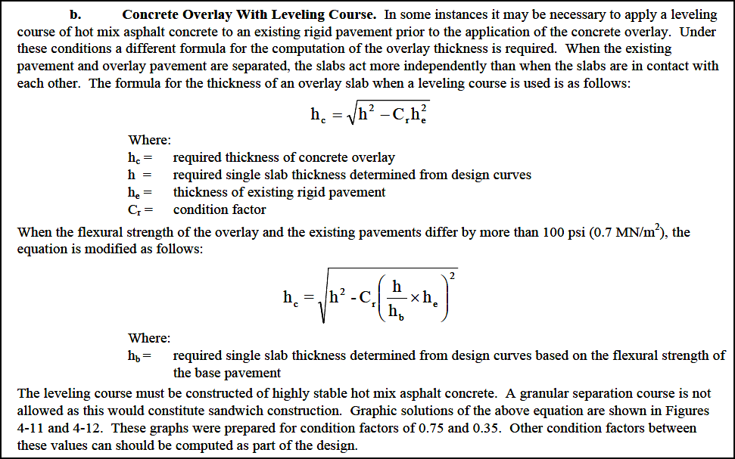
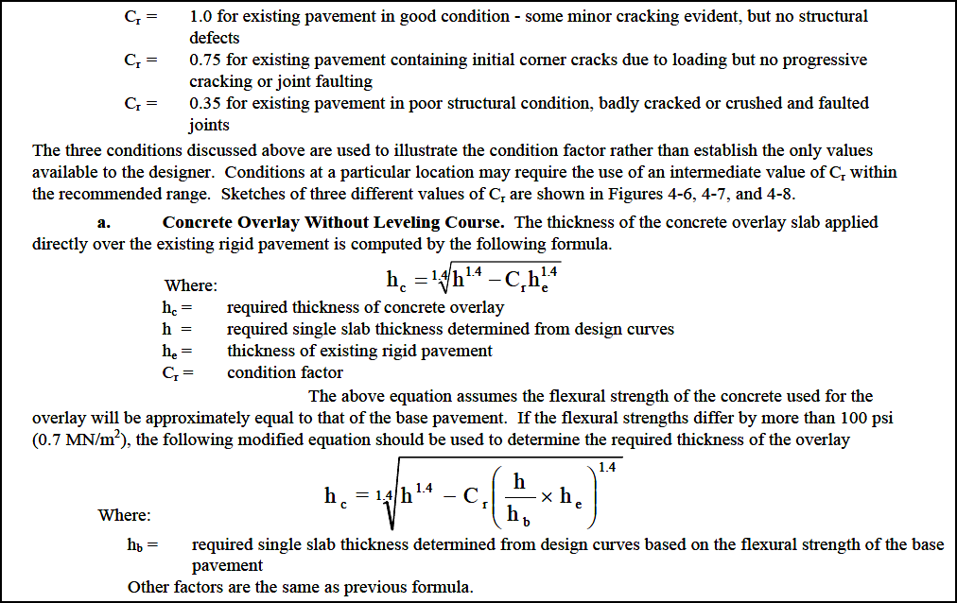
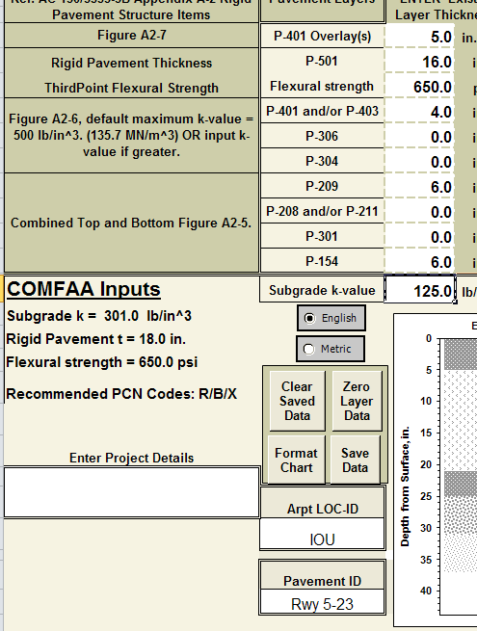

 | h-over | h-exist | C-crack
 | 5.61 | 5.75 | 1

 | h-design
 | 8.0333430152

 | h-over | h-exist | C-crack
 | 5.61 | 5.75 | 1

 | h-design
 | 9.3192927194

